Datailed Inquiry Information
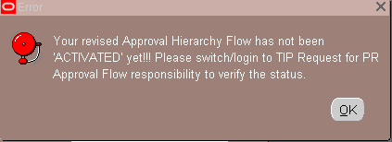
Detailed Inquiry Information

 | PLEASE PROVIDE EVIDENCE OF REQUEST / DETAILS OF REQUEST HERE (IN DETAIL).

 | From: bostre cielo(ＴＩＰ Mobile Production Engineering Department)
 | Sent: Monday, April 23, 2018 4:55 PM
 | To: devilla ronezrel(ＴＩＰ Information Systems Department); bunag juzette(ＴＩＰ Mobile Production Engineering Department); hatchero evangeline(ＴＩＰ Mobile Production Engineering Department)
 | Cc: naval chielo(ＴＩＰ Information Systems Department); torres emmanuelandrew(ＴＩＰ Information Systems Department); solas kimrichard(ＴＩＰ Information Systems Department); bautista princessfaye(ＴＩＰ Information Systems Department)
 | Subject: RE: PRAS- Trouble Encountered < PR Approval Flow >

 | Hi Sir,

 | Ok. Let us know if you need anything from us to recover MPE1 PR flow.
 | Thank you.

 | Regards,
 | Cielo

 | From: devilla ronezrel(ＴＩＰ Information Systems Department)
 | Sent: Monday, April 23, 2018 4:46 PM
 | To: bostre cielo(ＴＩＰ Mobile Production Engineering Department); bunag juzette(ＴＩＰ Mobile Production Engineering Department); hatchero evangeline(ＴＩＰ Mobile Production Engineering Department)
 | Cc: naval chielo(ＴＩＰ Information Systems Department); torres emmanuelandrew(ＴＩＰ Information Systems Department); solas kimrichard(ＴＩＰ Information Systems Department); bautista princessfaye(ＴＩＰ Information Systems Department)
 | Subject: RE: PRAS- Trouble Encountered < PR Approval Flow >

 | Hi Ma’am Cielo,
 | Good Afternoon.

 | For these one po is we need to make a recovery since it’s stuck again in the pending PR button. It’s the same issue po last DEC 2017.
 | See the attached mail for your reference.

 | Thanks and Regards,
 | RON EZREL A. DE VILLA
 | INFORMATION SYSTEM DEPARTMENT | IS3– IT APPLICATION
 | TOSHIBA INFORMATION EQUIPMENT (PHILS.), INC.
 | ☎ 3298

 | From: bostre cielo(ＴＩＰ Mobile Production Engineering Department)
 | Sent: Monday, April 23, 2018 4:35 PM
 | To: devilla ronezrel(ＴＩＰ Information Systems Department); bunag juzette(ＴＩＰ Mobile Production Engineering Department); hatchero evangeline(ＴＩＰ Mobile Production Engineering Department)
 | Cc: naval chielo(ＴＩＰ Information Systems Department); torres emmanuelandrew(ＴＩＰ Information Systems Department); solas kimrichard(ＴＩＰ Information Systems Department); bautista princessfaye(ＴＩＰ Information Systems Department)
 | Subject: RE: PRAS- Trouble Encountered < PR Approval Flow >

 | Hi Sir,

 | Currently no pending PR for MPE1.
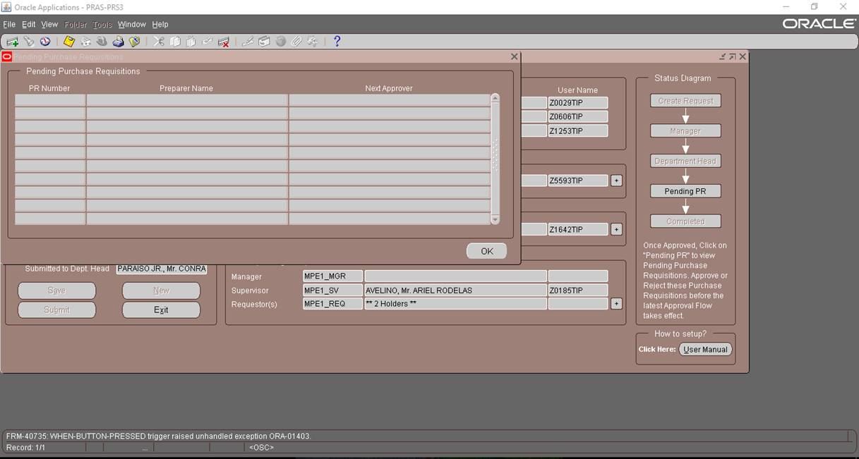

 | As for other sections, some have pending PRs also during change in hierarchy, but no problems encountered.
 | Please recommend what to do.

 | FYI.

 | Cielo

 | From: devilla ronezrel(ＴＩＰ Information Systems Department)
 | Sent: Monday, April 23, 2018 4:22 PM
 | To: bostre cielo(ＴＩＰ Mobile Production Engineering Department); bunag juzette(ＴＩＰ Mobile Production Engineering Department); hatchero evangeline(ＴＩＰ Mobile Production Engineering Department)
 | Cc: naval chielo(ＴＩＰ Information Systems Department); torres emmanuelandrew(ＴＩＰ Information Systems Department); solas kimrichard(ＴＩＰ Information Systems Department); bautista princessfaye(ＴＩＰ Information Systems Department)
 | Subject: RE: PRAS- Trouble Encountered < PR Approval Flow >

 | Hi Ma’am Cielo,
 | Good Afternoon.

 | Please check po if there are still pending PR created under MPE1 before you revise your approval hierarchy.

 | Thanks and Regards,
 | RON EZREL A. DE VILLA
 | INFORMATION SYSTEM DEPARTMENT | IS3– IT APPLICATION
 | TOSHIBA INFORMATION EQUIPMENT (PHILS.), INC.
 | ☎ 3298

 | From: bostre cielo(ＴＩＰ Mobile Production Engineering Department)
 | Sent: Monday, April 23, 2018 3:35 PM
 | To: devilla ronezrel(ＴＩＰ Information Systems Department); bunag juzette(ＴＩＰ Mobile Production Engineering Department); hatchero evangeline(ＴＩＰ Mobile Production Engineering Department)
 | Cc: naval chielo(ＴＩＰ Information Systems Department); torres emmanuelandrew(ＴＩＰ Information Systems Department); solas kimrichard(ＴＩＰ Information Systems Department); bautista princessfaye(ＴＩＰ Information Systems Department)
 | Subject: RE: PRAS- Trouble Encountered < PR Approval Flow >

 | Hi Sir,

 | Good day.

 | Adjustments were performed for MPE sections (MPE 1 ~ 15), but only MPE1 encountered this type of error.
 | Other sections have “COMPLETED” status.
 | Please recommend what to do.

 | Samples:
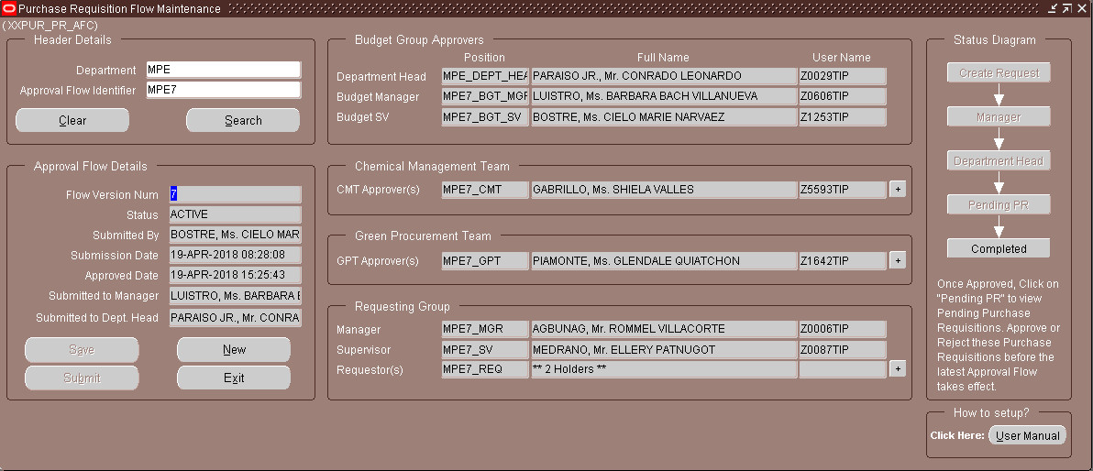


 | Thank you.

 | Regards,
 | Cielo

 | From: devilla ronezrel(ＴＩＰ Information Systems Department)
 | Sent: Monday, April 23, 2018 2:30 PM
 | To: bostre cielo(ＴＩＰ Mobile Production Engineering Department); bunag juzette(ＴＩＰ Mobile Production Engineering Department); hatchero evangeline(ＴＩＰ Mobile Production Engineering Department)
 | Cc: naval chielo(ＴＩＰ Information Systems Department); torres emmanuelandrew(ＴＩＰ Information Systems Department); solas kimrichard(ＴＩＰ Information Systems Department); bautista princessfaye(ＴＩＰ Information Systems Department)
 | Subject: RE: PRAS- Trouble Encountered < PR Approval Flow >

 | Hi Ma’am Cielo,
 | Good Afternoon.

 | Error occurred during PR approval revision due to only user with the position MPE1_REQ is allowed to create/revise the approval hierarchy po for MPE1.

 | Checking back-end,

 | Hierarchy Position assigned to your account

 | Thanks and Regards,
 | RON EZREL A. DE VILLA
 | INFORMATION SYSTEM DEPARTMENT | IS3– IT APPLICATION
 | TOSHIBA INFORMATION EQUIPMENT (PHILS.), INC.
 | ☎ 3298

 | From: bautista princessfaye(ＴＩＰ Information Systems Department)
 | Sent: Monday, April 23, 2018 1:42 PM
 | To: devilla ronezrel(ＴＩＰ Information Systems Department)
 | Cc: naval chielo(ＴＩＰ Information Systems Department); torres emmanuelandrew(ＴＩＰ Information Systems Department); solas kimrichard(ＴＩＰ Information Systems Department)
 | Subject: FW: PRAS- Trouble Encountered < PR Approval Flow >

 | Hi Ron,

 | FYI po.

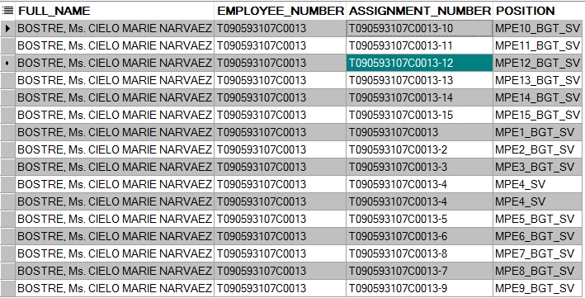

 | Regards,

 | FAYE
 | IS3 – PRAS Support
 | Local: 3998

 | From: bostre cielo(ＴＩＰ Mobile Production Engineering Department)
 | Sent: Monday, April 23, 2018 1:38 PM
 | To: bautista princessfaye(ＴＩＰ Information Systems Department)
 | Cc: bunag juzette(ＴＩＰ Mobile Production Engineering Department); hatchero evangeline(ＴＩＰ Mobile Production Engineering Department)
 | Subject: RE: PRAS- Trouble Encountered < PR Approval Flow >

 | Hi Ms. Faye,

 | Here is the PR approval flow image.

 | After ko click yung OK, ito yung nakikita sa baba:

 | FYI.

 | Regards,
 | Cielo

 | From: hatchero evangeline(ＴＩＰ Mobile Production Engineering Department)
 | Sent: Monday, April 23, 2018 1:26 PM
 | To: bautista princessfaye(ＴＩＰ Information Systems Department)
 | Cc: bostre cielo(ＴＩＰ Mobile Production Engineering Department); bunag juzette(ＴＩＰ Mobile Production Engineering Department)
 | Subject: PRAS- Trouble Encountered < PR Approval Flow >
 | Importance: High

 | Neng,
 | May problem ako sa PRAS ndi ako makapag PR eto ung error pasuyo naman need ko kase mag PR may urgent kase kami. Thank you.

 | Sincerely,
 | Hachi

 | TIP (Toshiba Information Equipment Phils.)
 | MPE 1 - Workshop Maintenance
 | Ext. # 3626

Detailed Investigation Result
Detailed Investigation Result

 | Check the AFC hierarchy that is for revision.

 | Get the latest flow version num propably the highest

 | This is the approval hierarchy that is for revision

 | Check if All of this user is still active
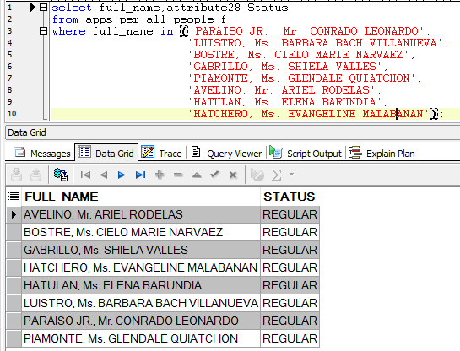

 | Check the person that revise the hierarchy
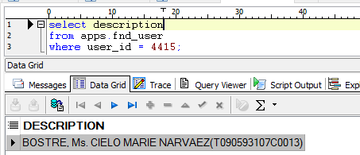
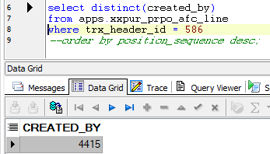

 | Check her assigned position
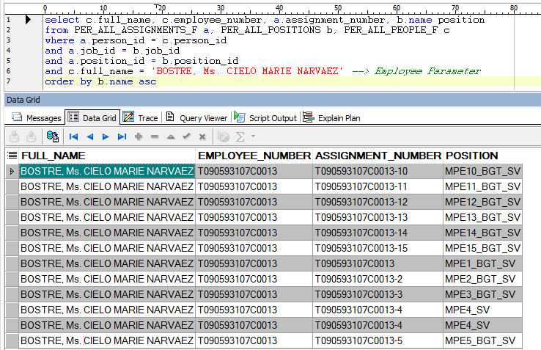

 | Base on the last screen shot Ms. Cielo Bostre is not assigned as MPE1_REQ(Usually position with _REQ position is allowed to revise the AFC since she is _SV position it results on stuck on Pending PR and Can’t proceed with Completed status).

Actual Operation Evidence
Actual Operation Evidence

 | 1. UPDATE the status of active flow version and new flow version in XXPUR_PRPO_AFC_HDR

 | Before Update (Check The SQL)

 |  | Version 5

 |  | SELECT *
 |  | FROM XXPUR_PRPO_AFC_HDR
 |  | where trx_header_id = 586 ;

 | TRX_HEADER_ID | FLOW_VERSION_NUM | DEPT_CODE | SECTION_IDENTIFIER | USE_CODE | SUBMITTED_BY | SUBMISSION_DATE | MGR_NAME | MGR_USER_ID | MGR_ACTION | MGR_ACTION_DATE | DEPT_HEAD_NAME | DEPT_HEAD_USER_ID | DEPT_HEAD_ACTION | DEPT_HEAD_ACTION_DATE | APPROVED_DATE | STATUS | PROCESSED_FLAG | PROCESSED_DATE | CLOSED_FLAG | CREATED_BY | CREATION_DATE | LAST_UPDATED_BY | LAST_UPDATE_DATE
 | 586 | 5 | MPE | MPE1 | PURCHASE REQUISITION | 4,415 | 04/19/2018 | LUISTRO, Ms. BARBARA BACH VILLANUEVA | 4,301 | APPROVED | 04/19/2018 | PARAISO JR., Mr. CONRADO LEONARDO | 4,210 | APPROVED | 04/19/2018 | 04/19/2018 | APPROVED | N |  | N | 4,415 | 04/19/2018 | 4,210 | 04/19/2018

 |  | Version 4

 |  | SELECT *
 |  | FROM apps.XXPUR_PRPO_AFC_HDR
 |  | WHERE trx_header_id = 394;

 | TRX_HEADER_ID | FLOW_VERSION_NUM | DEPT_CODE | SECTION_IDENTIFIER | USE_CODE | SUBMITTED_BY | SUBMISSION_DATE | MGR_NAME | MGR_USER_ID | MGR_ACTION | MGR_ACTION_DATE | DEPT_HEAD_NAME | DEPT_HEAD_USER_ID | DEPT_HEAD_ACTION | DEPT_HEAD_ACTION_DATE | APPROVED_DATE | STATUS | PROCESSED_FLAG | PROCESSED_DATE | CLOSED_FLAG | CREATED_BY | CREATION_DATE | LAST_UPDATED_BY | LAST_UPDATE_DATE
 | 394 | 4 | MPE | MPE1 | PURCHASE REQUISITION | 4415 | 10/5/16 |  |  |  |  |  |  |  |  | 10/5/16 | ACTIVE | Y | 10/5/16 | Y | 4,415 | 10/05/2016 | 4,860 | 10/05/2016

 | Update SQL
 | Version 5

 | Update xxpur_prpo_afc_hdr
 | set status = 'ACTIVE',
 | processed_flag = 'Y',
 | processed_date = SYSDATE,
 | closed_flag = 'Y',
 | where trx_header_id = 586;
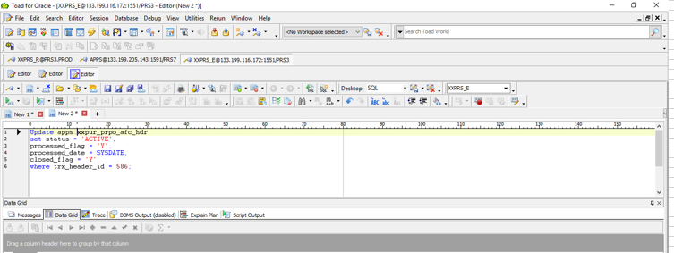

 | Version 4

 | UPDATE XXPUR.XXPUR_PRPO_AFC_HDR
 | SET STATUS = 'INACTIVE',
 | PROCESSED_FLAG = 'N',
 | PROCESSED_DATE = SYSDATE,
 | CLOSED_FLAG = 'N'
 | WHERE TRX_HEADER_ID = 394;
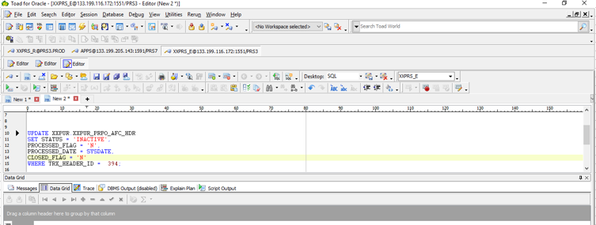

 | AFTER RECOVERY

 | SELECT *
 | FROM XXPUR.XXPUR_PRPO_AFC_HDR
 | WHERE TRX_HEADER_ID IN(586,394)

 | TRX_HEADER_ID | FLOW_VERSION_NUM | DEPT_CODE | SECTION_IDENTIFIER | USE_CODE | SUBMITTED_BY | SUBMISSION_DATE | MGR_NAME | MGR_USER_ID | MGR_ACTION | MGR_ACTION_DATE | DEPT_HEAD_NAME | DEPT_HEAD_USER_ID | DEPT_HEAD_ACTION | DEPT_HEAD_ACTION_DATE | APPROVED_DATE | STATUS | PROCESSED_FLAG | PROCESSED_DATE | CLOSED_FLAG | CREATED_BY | CREATION_DATE | LAST_UPDATED_BY | LAST_UPDATE_DATE
 | 394 | 4 | MPE | MPE1 | PURCHASE REQUISITION | 4415 | 10/5/16 |  |  |  |  |  |  |  |  | 10/5/16 | INACTIVE | N | 4/26/18 | N | 4,415 | 10/05/2016 | 4,860 | 10/05/2016
 | 586 | 5 | MPE | MPE1 | PURCHASE REQUISITION | 4415 | 4/19/18 | LUISTRO, Ms. BARBARA BACH VILLANUEVA | 4301 | APPROVED | 4/19/18 | PARAISO JR., Mr. CONRADO LEONARDO | 4210 | APPROVED | 4/19/18 | 4/19/18 | ACTIVE | Y | 4/26/18 | Y | 4415 | 4/19/18 | 4210 | 4/19/18

 | 2. UPDATE the current_position_flag for the Active flow version and new flow version in XXPUR_PRPO_AFC_LINE

 | CHECK SQL

 | VER5
 | SELECT *
 | FROM XXPUR_PRPO_AFC_LINE
 | WHERE trx_header_id = '586'

 | TRX_LINE_ID | TRX_HEADER_ID | EMPLOYEE_ID | FULL_NAME | USER_ID | USER_NAME | POSITION_ID | POSITION | POSITION_SEQUENCE | APPROVAL_GROUP | CHANGED_FLAG | CURRENT_POSITION_FLAG | CREATED_BY | CREATION_DATE | LAST_UPDATED_BY | LAST_UPDATE_DATE
 | 5,490 | 586 | 2,702 | AVELINO, Mr. ARIEL RODELAS | 5,157 | Z0185TIP | 3,833 | MPE1_SV | 2 | REQUESTING GROUP |  | N | 4,415 | 04/19/2018 | 4,415 | 04/19/2018
 | 5,491 | 586 | 2,714 | LUISTRO, Ms. BARBARA BACH VILLANUEVA | 4,301 | Z0606TIP | 3,827 | MPE1_BGT_MGR | 7 | BUDGET GROUP |  | N | 4,415 | 04/19/2018 | 4,415 | 04/19/2018
 | 5,492 | 586 | 3,199 | BOSTRE, Ms. CIELO MARIE NARVAEZ | 4,415 | Z1253TIP | 3,828 | MPE1_BGT_SV | 6 | BUDGET GROUP |  | N | 4,415 | 04/19/2018 | 4,415 | 04/19/2018
 | 5,493 | 586 | 3,490 | PIAMONTE, Ms. GLENDALE QUIATCHON | 4,469 | Z1642TIP | 3,830 | MPE1_GPT | 4 | GPT GROUP |  | N | 4,415 | 04/19/2018 | 4,415 | 04/19/2018
 | 5,495 | 586 | 4,678 | HATCHERO, Ms. EVANGELINE MALABANAN | 4,370 | Z0976TIP | 3,832 | MPE1_REQ | 1 | REQUESTING GROUP |  | N | 4,415 | 04/19/2018 | 4,415 | 04/19/2018
 | 5,496 | 586 | 5,369 | PARAISO JR., Mr. CONRADO LEONARDO | 4,210 | Z0029TIP | 3,826 | MPE_DEPT_HEAD | 8 | BUDGET GROUP |  | N | 4,415 | 04/19/2018 | 4,415 | 04/19/2018
 | 5,494 | 586 | 5,453 | GABRILLO, Ms. SHIELA VALLES | 10,717 | Z5593TIP | 3,829 | MPE1_CMT | 5 | CMT GROUP | Y | N | 4,415 | 04/19/2018 | 4,860 | 04/19/2018
 | 5,497 | 586 | 5,792 | HATULAN, Ms. ELENA BARUNDIA | 5,063 | Z0642TIP | 3,832 | MPE1_REQ | 1 | REQUESTING GROUP |  | N | 4,415 | 04/19/2018 | 4,415 | 04/19/2018
 | 5,498 | 586 |  |  |  |  | 3,831 | MPE1_MGR | 3 | REQUESTING GROUP |  | N | 4,415 | 04/19/2018 | 4,415 | 04/19/2018

 | Version 4

 | SELECT *
 | FROM apps.XXPUR_PRPO_AFC_Line
 | WHERE trx_header_id = 394;

 | TRX_LINE_ID | TRX_HEADER_ID | EMPLOYEE_ID | FULL_NAME | USER_ID | USER_NAME | POSITION_ID | POSITION | POSITION_SEQUENCE | APPROVAL_GROUP | CHANGED_FLAG | CURRENT_POSITION_FLAG | CREATED_BY | CREATION_DATE | LAST_UPDATED_BY | LAST_UPDATE_DATE
 | 3,616 | 394 | 2,702 | AVELINO, Mr. ARIEL RODELAS | 5,157 | Z0185TIP | 3,833 | MPE1_SV | 2 | REQUESTING GROUP |  | Y | 4,415 | 10/05/2016 | 4,860 | 10/05/2016
 | 3,617 | 394 | 2,714 | LUISTRO, Ms. BARBARA BACH VILLANUEVA | 4,301 | Z0606TIP | 3,827 | MPE1_BGT_MGR | 7 | BUDGET GROUP |  | Y | 4,415 | 10/05/2016 | 4,860 | 10/05/2016
 | 3,618 | 394 | 3,199 | BOSTRE, Ms. CIELO MARIE NARVAEZ | 4,415 | Z1253TIP | 3,828 | MPE1_BGT_SV | 6 | BUDGET GROUP |  | Y | 4,415 | 10/05/2016 | 4,860 | 10/05/2016
 | 3,620 | 394 | 3,490 | QUIATCHON, Ms. GLENDALE MALABANAN | 4,469 | Z1642TIP | 3,830 | MPE1_GPT | 4 | GPT GROUP |  | Y | 4,415 | 10/05/2016 | 4,860 | 10/05/2016
 | 3,621 | 394 | 3,493 | BOTONES, Ms. MYRA URGE | 4,473 | Z1657TIP | 3,829 | MPE1_CMT | 5 | CMT GROUP | Y | Y | 4,415 | 10/05/2016 | 4,860 | 04/19/2018
 | 3,622 | 394 | 4,678 | HATCHERO, Ms. EVANGELINE MALABANAN | 4,370 | Z0976TIP | 3,832 | MPE1_REQ | 1 | REQUESTING GROUP |  | Y | 4,415 | 10/05/2016 | 4,860 | 10/05/2016
 | 3,619 | 394 | 5369 | PARAISO JR., Mr. CONRADO LEONARDO | 4210 | Z0029TIP | 3,826 | MPE_DEPT_HEAD | 8 | BUDGET GROUP | X | Y | 4,415 | 10/05/2016 | 4,860 | 10/05/2016
 | 3,623 | 394 | 5792 | HATULAN, Ms. ELENA BARUNDIA | 5063 | Z0642TIP | 3,832 | MPE1_REQ | 1 | REQUESTING GROUP |  | Y | 4,415 | 10/05/2016 | 4,860 | 10/05/2016
 | 3624 | 394 |  |  |  |  | 3831 | MPE1_MGR | 3 | REQUESTING GROUP |  | Y | 4415 | 10/5/16 | 4860 | 10/5/16

 | Update SQL

 | VER5
 | UPDATE XXPUR.XXPUR_PRPO_AFC_LINE
 | SET CURRENT_POSITION_FLAG = 'Y'
 | WHERE TRX_HEADER_ID = '586'
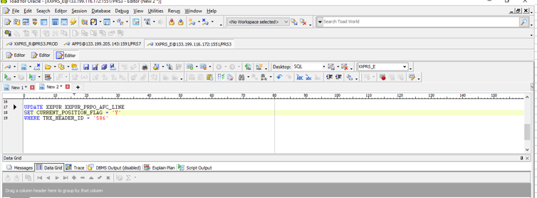

 | VER4
 | UPDATE XXPUR.XXPUR_PRPO_AFC_LINE
 | SET CURRENT_POSITION_FLAG = 'N'
 | WHERE TRX_HEADER_ID = 394
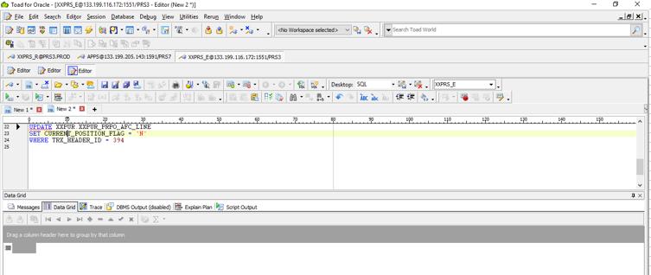

 | After Recovery

 | SELECT *
 | FROM XXPUR.XXPUR_PRPO_AFC_LINE
 | WHERE TRX_HEADER_ID IN(586,394)

 | TRX_LINE_ID | TRX_HEADER_ID | EMPLOYEE_ID | FULL_NAME | USER_ID | USER_NAME | POSITION_ID | POSITION | POSITION_SEQUENCE | APPROVAL_GROUP | CHANGED_FLAG | CURRENT_POSITION_FLAG | CREATED_BY | CREATION_DATE | LAST_UPDATED_BY | LAST_UPDATE_DATE
 | 3,616 | 394 | 2,702 | AVELINO, Mr. ARIEL RODELAS | 5,157 | Z0185TIP | 3,833 | MPE1_SV | 2 | REQUESTING GROUP |  | N | 4,415 | 10/05/2016 | 4,860 | 10/05/2016
 | 3,617 | 394 | 2,714 | LUISTRO, Ms. BARBARA BACH VILLANUEVA | 4,301 | Z0606TIP | 3,827 | MPE1_BGT_MGR | 7 | BUDGET GROUP |  | N | 4,415 | 10/05/2016 | 4,860 | 10/05/2016
 | 3,618 | 394 | 3,199 | BOSTRE, Ms. CIELO MARIE NARVAEZ | 4,415 | Z1253TIP | 3,828 | MPE1_BGT_SV | 6 | BUDGET GROUP |  | N | 4,415 | 10/05/2016 | 4,860 | 10/05/2016
 | 3,620 | 394 | 3,490 | QUIATCHON, Ms. GLENDALE MALABANAN | 4,469 | Z1642TIP | 3,830 | MPE1_GPT | 4 | GPT GROUP |  | N | 4,415 | 10/05/2016 | 4,860 | 10/05/2016
 | 3,621 | 394 | 3,493 | BOTONES, Ms. MYRA URGE | 4,473 | Z1657TIP | 3,829 | MPE1_CMT | 5 | CMT GROUP | Y | N | 4,415 | 10/05/2016 | 4,860 | 04/19/2018
 | 3,622 | 394 | 4,678 | HATCHERO, Ms. EVANGELINE MALABANAN | 4,370 | Z0976TIP | 3,832 | MPE1_REQ | 1 | REQUESTING GROUP |  | N | 4,415 | 10/05/2016 | 4,860 | 10/05/2016
 | 3,619 | 394 | 5369 | PARAISO JR., Mr. CONRADO LEONARDO | 4210 | Z0029TIP | 3,826 | MPE_DEPT_HEAD | 8 | BUDGET GROUP | X | N | 4,415 | 10/05/2016 | 4,860 | 10/05/2016
 | 3,623 | 394 | 5792 | HATULAN, Ms. ELENA BARUNDIA | 5063 | Z0642TIP | 3,832 | MPE1_REQ | 1 | REQUESTING GROUP |  | N | 4,415 | 10/05/2016 | 4,860 | 10/05/2016
 | 3624 | 394 |  |  |  |  | 3831 | MPE1_MGR | 3 | REQUESTING GROUP |  | N | 4415 | 10/5/16 | 4860 | 10/5/16
 | 5490 | 586 | 2702 | AVELINO, Mr. ARIEL RODELAS | 5157 | Z0185TIP | 3833 | MPE1_SV | 2 | REQUESTING GROUP |  | Y | 4415 | 4/19/18 | 4415 | 4/19/18
 | 5491 | 586 | 2714 | LUISTRO, Ms. BARBARA BACH VILLANUEVA | 4301 | Z0606TIP | 3827 | MPE1_BGT_MGR | 7 | BUDGET GROUP |  | Y | 4415 | 4/19/18 | 4415 | 4/19/18
 | 5492 | 586 | 3199 | BOSTRE, Ms. CIELO MARIE NARVAEZ | 4415 | Z1253TIP | 3828 | MPE1_BGT_SV | 6 | BUDGET GROUP |  | Y | 4415 | 4/19/18 | 4415 | 4/19/18
 | 5493 | 586 | 3490 | PIAMONTE, Ms. GLENDALE QUIATCHON | 4469 | Z1642TIP | 3830 | MPE1_GPT | 4 | GPT GROUP |  | Y | 4415 | 4/19/18 | 4415 | 4/19/18
 | 5495 | 586 | 4678 | HATCHERO, Ms. EVANGELINE MALABANAN | 4370 | Z0976TIP | 3832 | MPE1_REQ | 1 | REQUESTING GROUP |  | Y | 4415 | 4/19/18 | 4415 | 4/19/18
 | 5496 | 586 | 5369 | PARAISO JR., Mr. CONRADO LEONARDO | 4210 | Z0029TIP | 3826 | MPE_DEPT_HEAD | 8 | BUDGET GROUP |  | Y | 4415 | 4/19/18 | 4415 | 4/19/18
 | 5494 | 586 | 5453 | GABRILLO, Ms. SHIELA VALLES | 10717 | Z5593TIP | 3829 | MPE1_CMT | 5 | CMT GROUP | Y | Y | 4415 | 4/19/18 | 4860 | 4/19/18
 | 5497 | 586 | 5792 | HATULAN, Ms. ELENA BARUNDIA | 5063 | Z0642TIP | 3832 | MPE1_REQ | 1 | REQUESTING GROUP |  | Y | 4415 | 4/19/18 | 4415 | 4/19/18
 | 5498 | 586 |  |  |  |  | 3831 | MPE1_MGR | 3 | REQUESTING GROUP |  | Y | 4415 | 4/19/18 | 4415 | 4/19/18

Helpdesk Request
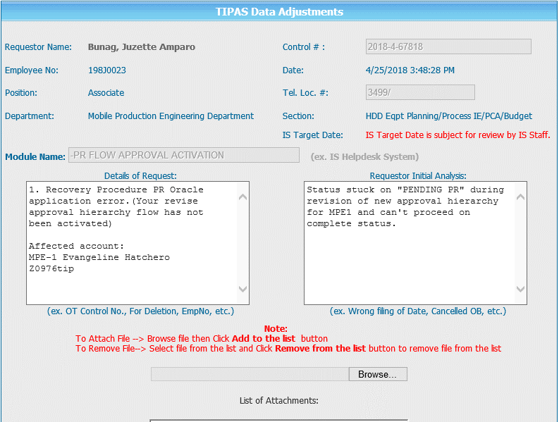
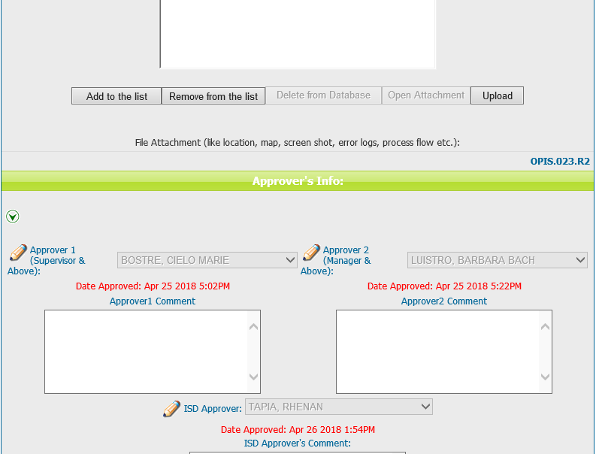
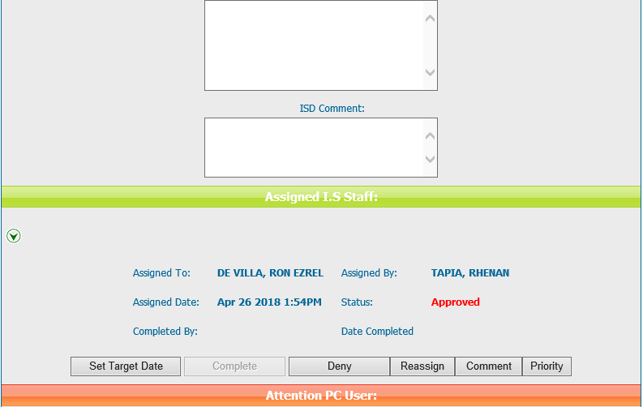
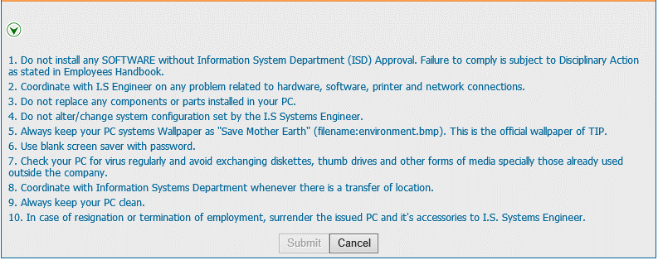
Helpdesk Request

 | ATTACH SCREENSHOT OF HELPDESK REQUEST.

